Sheet1
Prying force calculations |  |  |  | Q | 5 | t | straining actions

w | 10 | cm | inverse prop. | M | 30 | tm |  |  | bolt yield stress | 9 | t/cm2
a | 6 | cm | inverse prop. | Ix | 9878400000 | mm4 | Plate inertia
b | 4 | cm | direct prop.
As | 4.59 | cm2 | direct prop. | Y mm | stress t/cm2 | w cm | h cm | applied force t | force / 0.6 t | bolt Diam. | T bolt | ratio | is safe | n | ps | Qall
tp | 2 | cm | inverse prop. | 420 | 0.12755102041 | 10 | 11.5 | 12.660198008 | 21.100330013 | 24 | 22.230412272 | 0.9491650337 | pass | 6 | 8.8921649087 | 22.968514233
Text,b | 24 | tons |  | 305 | 0.092626336249 | 10 | 8.5 | 6.7761479592 | 11.293579932 | 20 | 15.4377863 | 0.7315543636 | pass | 4 | 6.1751145199 | 13.858621345
Text,act | 12.660198008 | tons |  | 220 | 0.066812439261 | 10 | 22 | 7.3493683188 | 12.248947198 | 20 | 15.4377863 | 0.79343935459 | pass | 4 | 6.1751145199 | 12.94146877
P | 3.9621229676 | tons |  | 0 | 0 | 0 | 0 | 0 | 0 | 0 | 0 | #DIV/0! | not safe | 4 | 0 | #DIV/0!
P% | 0.31295900468 |  |  | 0 | 0 | 0 | 0 | 0 | 0 | 0 | 0 | #DIV/0! | not safe | 0 | 0 | #DIV/0!
total applied | 16.622320975 | tons |  | 0 | 0 | 0 | 0 | 0 | 0 | 0 | 0 | #DIV/0! | not safe | 0 | 0 | #DIV/0!
tension req. | 21.100330013 | tons | pass | 0 | 0 | 0 | 0 | 0 | 0 | 0 | 0 | #DIV/0! | not safe | 0 | 0 | #DIV/0!
ten+prying req. | 20.777901219 | tons | pass

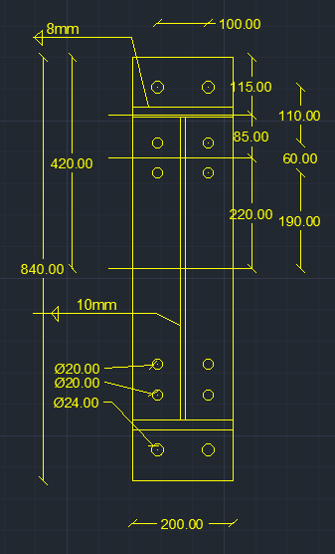

welding |  |  |  |  |  | Qall |  | 21.242393948 | tons | pass

steel ultimate stress | 5.2 | t/cm2
allowable stress | 1.04 | t/cm2 |  |  |  | Flanges weld |  | 1.1 | cm
Q | 5 | t
Mx | 30 | tm |  |  |  | web weld |  | 0.4 | cm
flange | 20 | cm
flange thickness | 2 | cm
web | 60 | cm
web thickness | 1 | cm
web weld length | 58 | cm
web weld thicnkess | 0.4 | cm
flange upper weld length | 20 | cm
flange lower weld length | 17 | cm
flange weld thickness | 1.1 | cm
Ix | 91723.466667 | cm 3
A (axial stress) | 1.0171878952 | t/cm2 | pass
B (axial stress) | 0.98121018831 | t/cm2 | pass
web (shear stress) | 0.10775862069 | t/cm2 | pass
B (combined stress) | 0.99880388197 | t/cm2 | pass

